2026
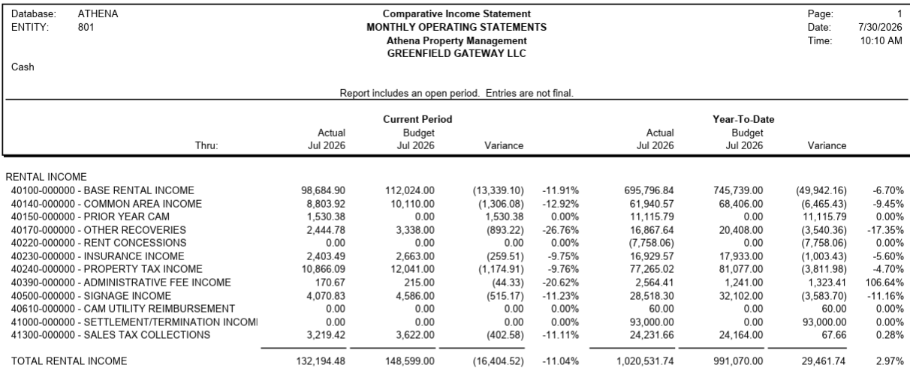
 |  |  |  |  |  |  | YTD - 2026
 | MONTHLY TENANT CHARGES | Budget | Cash | Variance | Comments | Budget | Cash | Variance | Comments
 | TENANT | Jul-26 | Jul-26 | Jul-26 | Jul-26
Major A | EOS Fitness | 66,174.83 | 66,174.84 | 0.01 |  | 463,223.78 | 486,482.90 | 23,259.12 | STX $401.00 Budget vs pmt. PYC $22,691.75 received in Mar'26 & May'26 STX $166.34 received in May'26
B101 | Third Pasrty MVS | 8,225.12 | 8,225.14 | 0.02 |  | 57,575.81 | 58,704.20 | 1,128.39 | PYC $1,100.74 received STX $27.52 received
B103 | Sally Beauty Supply | 3,311.57 | 3,371.00 | 59.43 | CAM $59.43 Over Pmt | 23,181.01 | 23,597.00 | 415.99 | CAM $416.00 Over Pmt in Jan'26 to July'26
B104 | Wild Side Smoke Shop | 3,439.36 | 3,363.25 | (76.11) | BAS ($74.26) & STX ($1.85) Short Pmt | 23,771.08 | 23,271.40 | (499.68) | CAM ($345.61) Short Pmt in Jan'26 & June'26 BAS ($148.52) & STX ($5.55) Short Pmt in May'26 & June'26
B105 | Green Spa, LLC | 2,858.28 | 2,815.10 | (43.18) | BAS ($42.13) Budget vs Pmt STX ($1.05) Budget vs Pmt | 19,878.40 | 19,850.70 | (27.70) | CAM $75.03 Over Pmt in Feb'26 & June'26 BAS ($168.52) Budget vs Pmt in Apr'26 to July'26 PYC $68.14 received in May'26 STX ($2.10) Budget vs Pmt in June'26 & July'26
 | John F. Long Foundation | 15.38 | 0.00 | (15.38) | SGN ($15.00) & STX ($0.38) Short Pmt | 107.63 | 120.00 | 12.38 | ELEC $60.00 Past due paid in Jan'26 SGN ($45.00) Short Pmt in May'26 to July'26 STX ($3.26) Short Pmt in from Jan'26 to July'26
B106 | AT&T Mobility | 7,038.97 | 7,038.96 | (0.01) |  | 49,272.79 | 47,114.57 | (2,158.22) | PYC credit applied to BAS ($613.64) & NNN ($1,491.88) in May'26 STX ($52.64) Credit applied to current charges in May'26
B108 | Discount Nutrition | 3,431.21 | 3,207.94 | (223.27) | BAS ($48.71) & NNN ($174.55) Short Pmt | 23,868.69 | 19,247.64 | (4,621.05) | CAM ($693.36) Short Pmt in Jan'26 to Apr'26 BAS ($2,630.31) & NNN ($1,297.33) Short Pmt in Apr'26 to July'26
B109 | Adapt Chiropractic | 4,285.82 | 4,285.83 | 0.01 |  | 30,000.73 | 25,888.97 | (4,111.76) | PYC credit applied to BAS ($3,699.2) & NNN ($312.35) in May'26 STX ($100.29) credit applied to current charges in May'26
B111 | Speakeasy Suites | 8,299.77 | 9,868.42 | 1,568.65 | PYC $1,530.38 & STX $38.26 received | 58,098.42 | 59,667.10 | 1,568.68 | PYC $1,530.38 & STX $38.26 received
 | Sportsman's Warehouse | 1,537.50 | 1,537.50 | - |  | 10,762.50 | 10,762.50 | -
101 | Kachina Stained Glass | 3,340.59 | 3,340.50 | (0.09) |  | 23,086.34 | 23,216.83 | 130.49 | PYC $127.91 received STX $3.20 received
102 | Zanders Creations | 3,886.27 | 3,888.26 | 1.99 | STX $2.00 received | 26,954.84 | 27,369.89 | 415.05 | PYC $397.40 received in May'26 STX $16.01 received in May'26 to July'26
103 | Brightnow Dental | 9,511.60 | 0.00 | (9,511.60) | BAS ($7,200.00) & NNN ($2311.60) No Pmt | 66,581.20 | 93,000.00 | 26,418.80 | BAS ($43,200.00) & NNN ($13,637.61) No Pmt in Jan'26 to Mar'26 & May'26 to July'26 STX ($231.99) No Budgeted in Jan'26 STM $93,000.00 received and not Budgeted BAS ($7,200.00) & NNN ($2,311.60) 04/26 NC Adjustment in Apr'26
106 | Carr Animal Care | 3,540.83 | 3,540.83 | 0.00 |  | 24,785.78 | 23,702.83 | (1,082.95) | PYC credit applied to ($511.61) & NNN ($544.96) STX (26.47) credit applied to current charges
107 | Razors Barber Shop | 2,783.66 | 3,000.29 | 216.63 | BAS $216.63 Over Pmt | 19,305.67 | 18,778.87 | (526.80) | BAS ($175.59) Short Pmt in Apr'26 to June'26 NNN ($568.11) Short Pmt from Jan'26 to Apr'26 & June'26 BAS $216.63 Over Pmt in July'26
108 | CrossFit New Strength | 6,899.64 | 6,499.12 | (400.52) | NCA ($400.54) Short Pmt | 48,297.49 | 45,493.84 | (2,803.65) | BAS $6,499.12 Over Pmt in Apr'26 BAS ($4,639.93) No Pmt in May'26 NNN ($4,662.97) Short Pmt from Jan'26 to Apr'26 & June'26 & July'26
111 | Vacant (Time Out Bar) | 7,969.70 | 0.00 | (7,969.70) | BAS ($6,190.30) & NNN ($1,779.00) Short Pmt | 7,969.70 | - | (7,969.70) | BAS ($6,190.30) & NNN ($1,779.00) Short Pmt
 | Walmart | 2,050.00 | 2,037.50 | (12.50) | STX ($12.50) Short Pmt | 14,350.00 | 14,262.50 | (87.50) | SGN ($37.50) Short Pmt in Mar'26 STX ($50.00) Short Pmt in Apr'26 to July'26

 |  | 148,600.10 | 132,194.48 | (16,405.62) |  | 991,071.86 | 1,020,531.74 | 29,459.88
 |  | 148,599.00 | 132,194.48 | -16,404.52 |  | 991,070.00 | 1,020,531.74 | 29,461.74
 |  | (1.10) | - | 1.10 |  | 1.86 | - | (1.86)

